Security Health Model
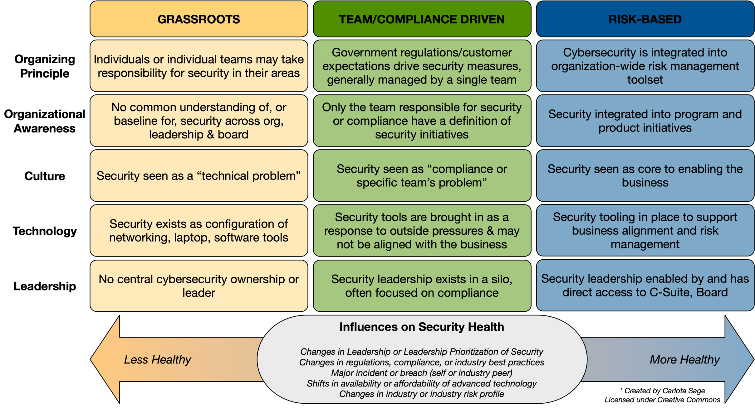

Security Health Model Explained
 | Grassroots | Team or Compliance-Driven | Risk-Based
Organizing Principle | Individuals or individual teams voluntarily take responsibility for security in their areas | Government regulations or customer expectations drive security measures | Security is an organization-wide risk management tool.
Organizational Awareness | No common understanding of or baseline for security across org, leadership & board | Only the teams responsible for security or compliance have a definition of security initiatives | Security integrated into program and product initiatives
Culture | Security seen as a “technical problem” | Security seen as “compliance problem” or "that team's problem" | Security seen as core to enabling the business
Technology | Security exists as configuration of networking, laptop, software tools | Security tools brought in as a response to outside pressures & may not be aligned with the business | Security tooling in place to support business alignment and risk management
Ownership/ Leadership | No central cybersecurity ownership or leader | Security leadership exists in a silo, often focused on compliance | Security leadership enabled by and has direct access to C-Suite, Board

LESS HEALTHY
Influences on Security Health
Changes in Leadership or Leadership Prioritization of Security
Changes in regulations, compliance, or industry best practices
Major incident or breach (self or industry peer)
Shifts in availability or affordability of advanced technology
Changes in industry or industry risk profile
MORE HEALTHY

NOTE: Team/Compliance Driven is the initial target area for most SMB organizations. Risk-based requires heavy investment in tooling that most SMBs cannot afford; I only expect Enterprise and high value SMB to be targeting that risk-based area.

Questions or feedback about this model? Ping @carlotasage or csage@pocket-ciso.com. - My heartfelt thanks to my all the security professionals who have given the feedback that has improved this model over time!

